Supplier GHG Assessment
Supplier GHG Assessment
An SME-friendly supplier GHG assessment tool is a questionnaire by which to score suppliers on their GHG reduction and circularity commitment, progress, and plans.

Net-Zero Ambition Assessment Tool (NZAAT) | Net-Zero Ambition Assessment Tool (NZAAT)

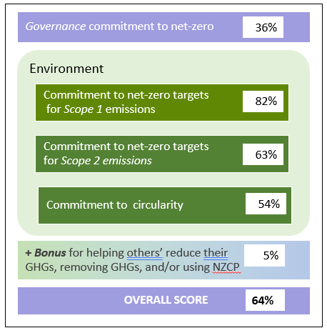
NZAAT is a free, open-source, Excel-based, generic, supplier GHG assessment tool. It is comprehensive and is based on questions asked by other questionnaires that assess a company’s commitment to net-zero targets. (e.g., CDP, UN’s Race to Zero, SBTi, Canada’s Net-Zero Challenge). It uses SME-friendly multiple-choice questions to score the organization’s commitment to, and progress toward, science-based net-zero targets and to circularity. It also suggests over two dozen actions that would reduce Scope 1 and 2 GHG emissions.

Consolidating and analyzing NZAAT results
There is a hidden Summary worksheet in NZAAT, just after the Scores worksheet, that echoes 50+ data points in the completed survey. Excel’s Power Query capability can consolidate those Summary worksheets from all returned surveys. Here’s how: • Place all the returned NZAATs in a dedicated folder. • Unhide the summary worksheet in the first NZAAT file in that folder. • Create a new Excel workbook for the consolidated NZAAT results. • Use Power Query to consolidate the Summary worksheets from all the returned NZAAT in that new workbook. Power Query will use a separate row for each Summary worksheet’s 50+ data points. Then use Excel's Pivot Table function or Power BI to analyze the consolidated results, generate reports. and create dashboard charts. There are several good YouTube videos on Power Query, Pivot Tables, and Power BI that provide helpful guidance an all this.

Bid Appraisal Template
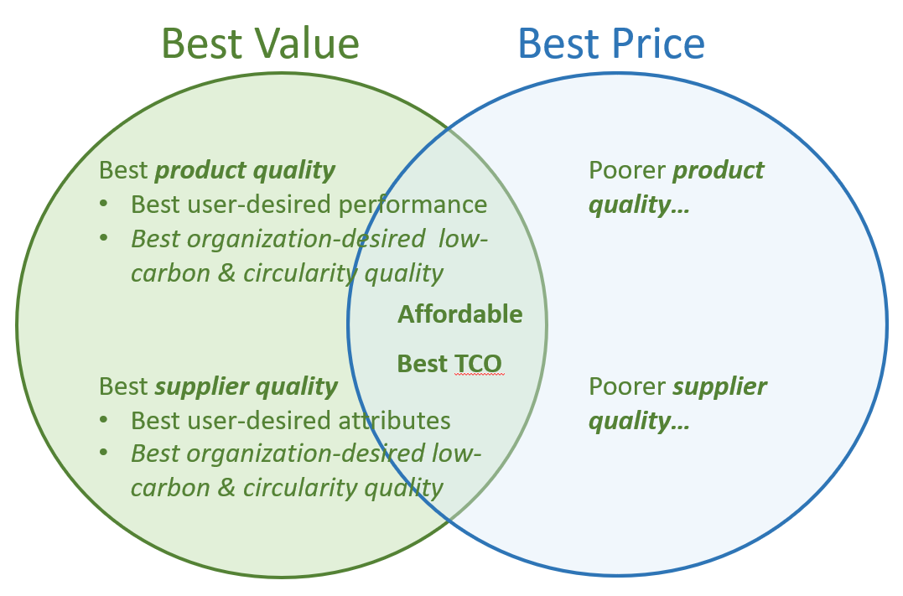
Bid Appraisal Template
This Bid Appraisal Template uses a multi-criteria analysis (MCA) structured decision-making approach to evaluate supplier bids. It helps determine whether whether procuring the most low-carbon and circular-designed product, from the supplier most committed to net-zero targets and to curcularity, is the best business decision. That is, the bid appraisal template helps ensure that the buyer obtains the best value for money. As shown in the adjoining figure, product low-carbon and circularity features that are important to the buyer organization contribute to product quality. And if GHG reductions and circularity are important to the buyer organization, then supplier commitment to reducing its GHGs and to circularity contribute to supplier quality. The sample generic template below is used to show how to assign significant weight (i.e., 10-30%) to product and supplier sustainability attributes. The relative weights of these criteria send a strong signal to suppliers that their commitment to sustainability matters. These weighted criteria should be added to the current bid appraisal template used by the buyer.

Complete this appraisal worksheet for each bid, using it to generate a weighted score for each bid. Starting values in yellow cells are just sample place-holders to illustrate how the formulas work. Overwrite them with values that are appropriate to your situation.

% Weight (% of points) | Sample NZP Bid Appraisal Criteria |  |  |  |  |  | Score (0-100%) | Weighted Score
30% | Product quality - performance, durability |  |  |  |  |  | 90% | 270
10% | Product low-carbon and circularity quality1 |  |  |  |  |  | 60% | 60
10% | Supplier quality - reliability, capacity, experience |  |  |  |  |  | 80% | 80
10% | Supplier low-carbon and circularity quality / ambition2 |  |  |  |  |  | 70% | 70
40% | Price / Total Cost of Ownership (TCO)3 |  |  |  |  |  | 80% | 320
100% | This should equal 100% | Best value for money is the bid with the highest total weighted score |  |  |  |  |  | 800

1 See the Sample Product Specs tab
2See the Supplier Assessment tab
3 See the TCO Tool tab

Example This example illustrates how the Bid Appriasal Template helps ensure that customers choose the bid that has the best value for money.
% Weight (% of points) | NZP Bid Appraisal Criteria |  | Supplier A |  | Supplier B |  | Supplier C
 |  |  | % Score | Weighted Score | % Score | Weighted Score | % Score | Weighted Score
30% | Product quality - features, performance |  | 80% | 240 | 90% | 270 | 50% | 150
10% | Product low-carbon and circularity quality1 |  | 50% | 50 | 60% | 60 | 40% | 40
10% | Supplier quality - performance, capacity, attributes |  | 70% | 70 | 80% | 80 | 60% | 60
10% | Supplier low-carbon and circularity ambition2 |  | 60% | 60 | 70% | 70 | 50% | 50
40% | Price / Total Cost of Ownership (TCO)* |  | 60% | 240 | 80% | 320 | 100% | 400
 |  |  | $700,000 |  | $600,000 |  | $500,000
100% | This should equal 100% | Best value = Highest total |  | 660 |  | 800 |  | 700
Best Value
Best Price
* Score = 100% – (% by which that supplier’s price exceeds the lowest price)

Legend
Yellow fields are for user input. Starting examples illustrate how the calculation formulas work. Overwrite them with real company data.
Light purple fields are auto-calculated based on the content of yellow fields. Any user entries in these cells will overwrite their formulas.
White fields are used for instructions, explanations, or labels for adjacent fields

